4CR
Number | Amine | Linker (isocyanide) | Tail A (aldehyde) | Tail B (carboxylic acid
1 | NCCN1CCCC1 | CC(C)(C)OC(=O)C[N+]#[C-] | CCCCCCCC/C=C\CCCCCCCC(=O)OCCCCCC=O | CCCCCCCC/C=C\CCCCCCCC(=O)O | Reacting primary amine is on left
2 | NCCN1CCCCC1 | CC(C)(C)[N+]#[C-] | CCCCC/C=C\C/C=C\CCCCCCCC(=O)OCCCCCC=O | CCCCC/C=C\C/C=C\CCCCCCCC(=O)O | Reacting isocyanide is on right
3 | NCCCN1CCCCC1CC | C1CCCCC1[N+]#[C-] | CCCCCCCCCCCCCCCCCC(=O)OCCCCCC=O | CCCCCCCCCCCCCCCC(=O)O | Reacting aldehyde is on right
4 | NCCN(CC1)CCS1(=O)=O | CCCC[N+]#[C-] | CCCCCCCCCCCCCCCC(=O)OCCCCCC=O | CCCCCCCCC(CCCCCCCC)OC(=O)CCCCC(=O)O | Reacting carboxylic acid is on right
5 | NC1CCN(CC2=CC=CC=C2)CC1 | CCCCCCCC/C=C\CCCCCCCC[N+]#[C-] | CCCCCCCCCCCCC(=O)OCCCCCC=O | CC/C=C\C/C=C\C/C=C\CCCCCCCC(=O)O
6 | NCCCN1C=CN=C1 | CN(C)CCC[N+]#[C-] | CCCCCCCCCCC(=O)OCCCCCC=O | CCCCCCCCCCCCCCCCCC(=O)O
7 | NCC1=CC=CN=C1 | CCCCN(CCCC)CCC[N+]#[C-] | CCCCCCCCC(=O)OCCCCCC=O | CCCCCCCCCCCCCCCCC(=O)O
8 | NCCN1CCOCC1 | CN(C)CCCCC[N+]#[C-] | CCCCCCCCC(CCCCCCCC)OC(=O)CCCCC=O | CCCCCCCCCCCCCCC(=O)O
9 (HG1) | NCCN(C)C | C12(C[C@@H]3C[C@H](C2)C[C@H](C1)C3)[N+]#[C-] | CC\C=C/C\C=C/C\C=C/CCCCCCCC(=O)OCCCCCC=O | CCCCCCCCCCCCCC(=O)O
10 | NCCCN(CCN1C)CC1 | C(CCN1C=CC=N1)[N+]#[C-] | CCCCCCCCCCCCCCC(=O)OCCCCCC=O | CCCCCCCCCCCCC(=O)O
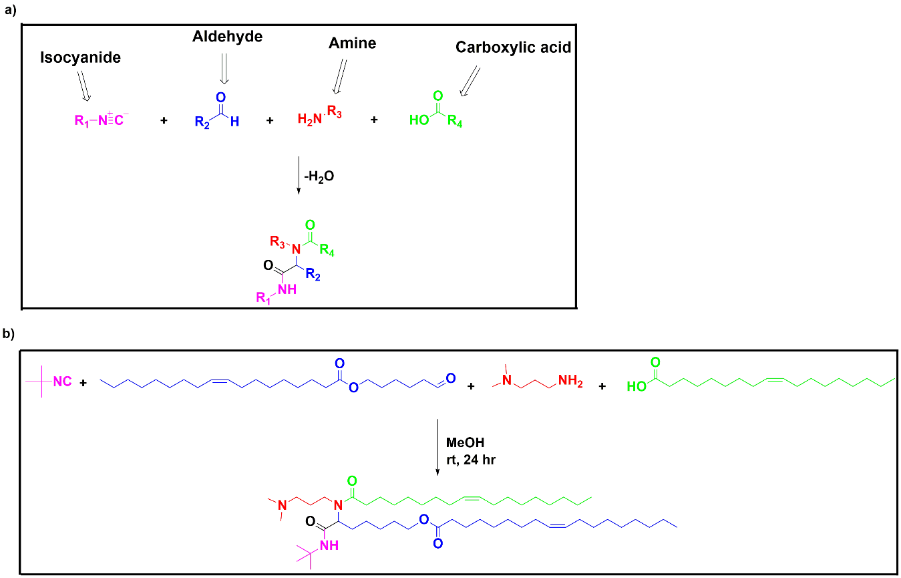
11 | NCCCN1CCCC1
12 | NCCCN1CCCCC1
13 | NCCCN1CCCCCC1
14 | NCCCN1CCOCC1
15 | NCCN1CCCCCC1
16 | NCCN1CCCCC1CC
17 | NCCN1C=CN=C1
18 | NCCN1CCN(C)CCC1
19 | NCCCN1CCN(C)CCC1
20 | NCCCN(CCO)CCO
21 | NCCCN(CC)CC
22 (HG3) | NCCCN(CCCC)CCCC
23 (HG2) | NCCCN(C)C
24 | NCCCN1CCN(CC1)CCCN | highlight = two primary amines
25 | NCCN(C)CCN
26 | NCCCNC
27 | NCCCN(CCC)CCC
28 | NCCCN(C(C)C)C(C)C
29 | NCCCN(C)CCCN
30 | NCCN(CCO)CCO
31 | NCCCNCO
32 | NCCCN(C)CO
33 | NCCCNCCCN(C)C
34 | NCCNCCNCCNCCN
35 | NCCCN1CCNCC1
36 | NCCCN1CCN(CCCO)CC1
37 | NC1CCN(C)CC1
38 | NCCCN1N=CC=C1
39 | NCCN1N=CC=C1
40 | NCCCCCN(C)C

